Acronyms and Notes
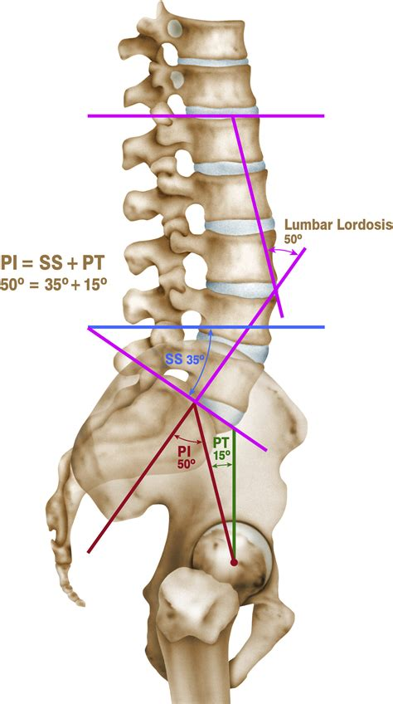
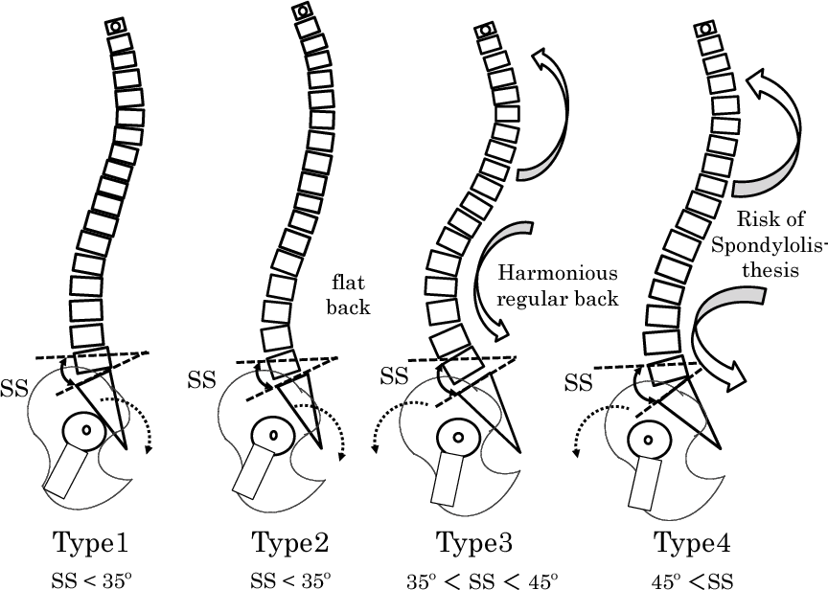
Acronym | Meaning | Notes |  |  | Roussouly Classification. Not directly studied, but was used to create the bins for sacral slopes
XLIF | Xtreme lateral lumbar interbody fusion | surgical procedure |  | is a retroperitoneal, minimally invasive approach
LLIF | lateral lumbar interbody fusion | surgical procedure | (same as XLIF) | is a retroperitoneal, minimally invasive approach
ALIF | anterior lumbar interbody fusion | surgical procedure |  | different cage and lumbar levels than an LLIF/XLIF, is a retroperitoneal, minimally invasive approach
TLIF | transforaminal lumbar interbody fusion | surgical procedure |  | posterior approach
PLIF | posterior lumbar interbody fusion | surgical procedure |  | posterior approach
ACR | Anterior column release | surgical procedure
ALLR | anterior luongitudinal ligament release | surgical procedure | (Same as ACR)
PI | Pelvic incidence | a spinopelvic angle
LL | Lumbar lordosis | a spinopelvic angle
SS | Sacral Slope | a spinopelvic angle
ASD | Adjacent segment degeneration | the degeneration of a vertebral segment above or below the fused levels, likely due to the higher stress imposed on those levels for flexibility needs

